Materials Summary V2
Bronze |  |  | Silver |  |  | Silver (cont.) |  |  | Gold |  |  | Gold (cont.)
Material | Require | Inventory | Material | Require | Inventory | Material | Require | Inventory | Material | Require | Inventory | Material | Require | Inventory | Priority | high
 | 0 | 10 |  | 63 | 108 |  | 0 | 195 |  | 3 | 0 |  | 0 | 153
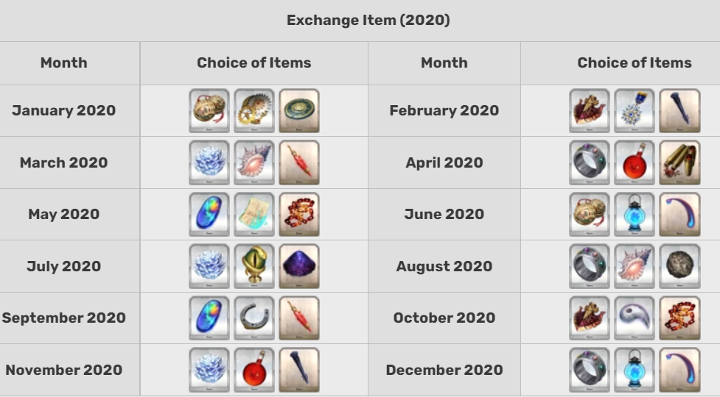
 | 0 | 36 |  | 0 | 6 |  | 0 | 121 |  | 0 | 75 |  | 0 | 123
 | 0 | 5 |  | 0 | 61 |  | 0 | 256 |  | 0 | 136 |  | 0 | 23
 | 0 | 39 |  | 0 | 305 |  | 0 | 53 |  | 0 | 51 |  | 33 | 44
 | 0 | 17 |  | 0 | 76 |  | 0 | 10 |  | 6 | 35 |  | 35 | 21
 | 0 | 64 |  | 0 | 68 |  | 0 | 63 |  | 0 | 139 |  | 0 | 12
 | 0 | 120 |  | 55 | 136 |  | 0 | 23 |  | 0 | 62 |  | 0 | 0
 | 0 | 28 |  | 0 | 68 |  | 0 | 0 |  | 0 | 177
 | 0 | 57 |  | 0 | 286 |  | 0 | 0 |  | 0 | 149
 | 0 | 0 |  | 0 | 111 |  |  |  |  | 0 | 111
 |  |  |  | 0 | 208 |  |  |  |  | 0 | 138
 |  |  |  | 0 | 99 |  |  |  |  | 0 | 155

